Target Cancelled Order
Bendon: Target Cancelled Order

Image | Item # | Description | Pack | IN | Origin | # Units | UPC | UCC | Case Size | Wt | Cube | Tie | Hi | Item Size | Item Wt
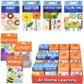 | 61038PDQ | Bendon Flashcards Asstd. PDQ | 72 |  | China | 10,067 | 9781690269182; (6) Money 9781690269076; (6) Subtraction 9781690269199; (6) Telling time 9781690269175; (12) Numbers 9781690269069; (12) Addition 9781690269168; (12) Color Shapes 9781690269557; (18) Alphabet | 50978169026917 | 16" x 11" x 12" | 15 | 1.22 | 9 | 8 | 3.25" x .50" x 5.5" | 3
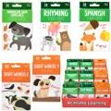 | 61040PDQ | Bendon Reading & Language Flashcards Asstd. PDQ | 54 |  | China | 7,559 | 9781690269045; (6) Sight Words 2 9781690269038; (12) Sigts 1 Words 9781690269052; (12) Spanish 9781690269083; (12) Rhyming 9781690269380; (12) American Sign language | 50978169026900 | 13" x 11" x 12" | 12 | 0.99 | 12 | 8 | 3.25" x .50" x 5.5" | 2.5
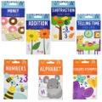 | 58535ASST | Bendon Non-Licensed Flashcards Asstd. | 55 |  | China | 351,213 | 9781690269076; (4) Subtraction 9781690269199; (6) Tellin Time 9781690269182; (6) Money 9781690269175; (8) Numbers 9781690269069; (9) Addition 9781690269168; (10) Color Shapes 9781690269557; (12) Alphabet | 50978169026900 | 10" x 8" x 7" | 9 | 0.32 | 24 | 13 | 3.25" x .50" x 5.5" | 2.5
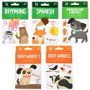 | 61031ASST | Bendon Reading & Language Flashcards Asstd. | 50 |  | China | 484,185 | 9781690269052; (10) Spanish 9781690269083; (10) Rhyming 9781690269038; (10) Sight Word. 1 9781690269045; (10) Sight Word 2 9781690269380; (10) American sign language | 50978169026900 | 13" x 10" x 4" | 8 | 0.3 | 36 | 9 | 3.25" x .50" x 5.5" | 2.5
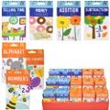 | 61032PDQ | Bendon Flashcards Asstd. PDQ | 90 |  | China | 65,339 | 9781690269076; (6) Subtraction 9781690269182; (12) Money 9781690269069; (12) Addition 9781690269199; (12) Telling Time 9781690269168; (12) Color Shapes 9781690269175; (18) Numbers 9781690269557; (18) Alphabet | 50978169026900 | 19" x 11" x 12" | 16 | 1.45 | 8 | 9 | 3.25" x .50" x 5.5" | 2.5
 | 61034PDQ | Bendon Reading & Language Flashcards Asstd. PDQ | 54 |  | China | 40,499 | 9781690269045; (6) Sight & Wor 2 9781690269038; (12) Sight & Wor 1 9781690269052; (12) Spanish 9781690269083; (12) Rhyming 9781690269380; (12) American sign language | 50978169026900 | 12" x 11" x 12" | 10 | 0.92 | 12 | 8 | 3.25" x .50" x 5.5" | 2.5
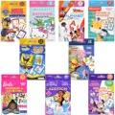 | 59967ASST | Bendon Licensed Flashcards Asstd. | 60 |  | China | 437,082 | 9781690269090; (4) Fisher price 9781690270201; (5) Spongebob 9781690269366; (5) Hello Kitty 9781690269267; (5) Winnie T Pooh 9781690269144; (7) Barbie 9781690269236; (8) Minnie 9781690269229; (8) Princess 9781690269601; (8) Paw Patrol 9781690269212; (10) Disney Junior | 50978169026900 | 10" x 8" x 7" | 10 | 0.32 | 24 | 13 | 3.25" x .50" x 5.5" | 2.5
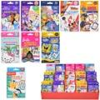 | 61036PDQ | Bendon Licensed Flashcards Asstd. PDQ | 90 |  | China | 64,439 | 9781690269366; (6) Hello Kitty 9781690269090; (6) Fisher Price 9781690269267; (6) Winni T Pooh 9781690269144; (12) Barbie 9781690269236; (12) Minnie 9781690269229; (12) Princces 9781690270201; (12) Spongebob 9781690269601; (12) Paw Patrol 9781690269212; (12) Disney Junior | 50978169026931 | 19" x 11" x 12" | 19 | 1.45 | 8 | 8 | 3.25" x .50" x 5.5" | 2.5
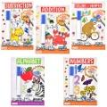 | 60371ASST | Bendon Imagine Ink 6"x9" 10 Sheet Workbook Asstd. | 15 |  | China | 35,281 | 9781690269342; (2) Subtraction 9781690269304; (3) Addition 9781690269328; (3) Colors Shapes 9781690269335; (3) Numbers 9781690269311; (4) Alphabet | 50978169026931 | 7" x 6" x 10" | 3 | 0.24 | 36 | 9 | 6" x .75" x 9" | 3
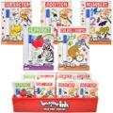 | 61044PDQ | Bendon Imagine Ink 6"X9" 10 Sheet Workbook Asstd. | 40 |  | China | 25,679 | 9781690269335; (10) Numbers 9781690269311; (10) Alphabet 9781690269304; (5) Addition 9781690269328; (10) Color Shapes 9781690269342; (5) Subtraction | 50978169026931 | 26" x 12" x 12" | 11 | 2.17 | 4 | 8 | 6" x .50" x 9" | 3
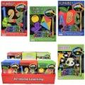 | 61054PDQ | Bendon Scratch Fantastic 6"x8" 24 pages Activity Book PDQ | 48 |  | China | 34,892 | 9781690269120; (12) Animals 9781690269564; (12) Numbers 9781690269137; (12) Alphabet 9781690269151; (12) Color Shapes | 50978169026917 | 22" x 15" x 12" | 20 | 2.29 | 5 | 8 | 6.25" x .25" x 8.5" | 5
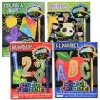 | 60590ASST | Bendon Scratch Activity 6"x8" 24 pages Book Fantastic Asstd. | 22 |  | China | 227,340 | 9781690269120; (4) Animals 9781690269564; (4) Numbers 9781690269137; (6) Alphabet 9781690269151; (8) Color & Shapes | 50978169026917 | 9" x 8" x 7" | 7 | 0.29 | 25 | 13 | 6.25" x .25" x 8.5" | 5
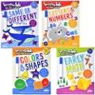 | 60372ASST | Bendon Imagine Ink Learning Mats Asstd. | 22 |  | China | 194,977 | 9781690269274; (4) Early Math 9781690269298; (5) Same Diferent 9781690269502; (6) Color & Shaper 9781690269281; (7) Letter Number | 50978169026924 | 12" x 10" x 13" | 7 | 0.9 | 12 | 7 | 9.75" x .50" x 12" | 4
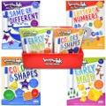 | 61046PDQ | Bendon Imagine Ink Learning Mats 4 Asstd. PDQ | 24 |  | China | 15,263 | 9781690269274; (6) Early & Math 9781690269502; (6) Color & Shapes 9781690269281; (6) Letter & Numb ers 9781690269298; (6) Same or differ nt | 50978169026924 | 22" x 15" x 13" | 10 | 2.48 | 5 | 7 | 9.75" x .50" x 12" | 4
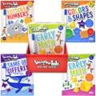 | 61048PDQ | Bendon Imagine Ink Learning Mats 4 Asstd. PDQ | 12 |  | China | 1,091 | 9781690269274; (3) Early Math 9781690269502; (3) Color Sharpes 9781690269281; (3)Letters Numbe 9781690269298; (3) Same or differ nt | 50978169026924 | 15" x 12" x 13" | 6 | 1.35 | 10 | 7 | 9.75" x .50" x 12" | 4
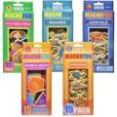 | 60591ASST | Bendon Magnafun Wooden Magnets Asstd. PDQ | 18 |  | China | 147,874 | 9781690269458; (3) Colors Shapes 9781690269489; (3) My Feelings 9781690269496; (4) Sharks 9781690269472; (4) Dinosaurs 9781690269465; (4) Animals Nort of America | 50978169026948 | 17" x 10" x 4" | 5 | 0.39 | 9 | 24 | 4" x 1" x 9.5" | 4
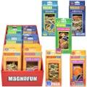 | 61058PDQ | Bendon Magnafun Wooden Magnets Asstd. PDQ | 18 |  | China | 4,841 | 9781690269496; (3) Sharks 9781690269472; (3) Dinosaurus 9781690269489; (3) My Feelings 9781690269458; (3) Color & shapes 9781690269465; (6) Animals Nort America | 50978169026948 | 14" x 10" x 14" | 7 | 1.13 | 12 | 6 | 4" x 1" x 9.5" | 4.5
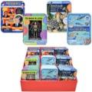 | 61050PDQ | Bendon Mini Magnetic Tins Asstd. PDQ | 45 |  | China | 33,746 | 9781690269526; (10) The human skeleton 9781690269519; (10) Presidents 9781690269533; (10) Sea creatures incredible 9781690269540; (15) Dinosaur spe cies of the world. | 50978169026955 | 18" x 15" x 12" | 23 | 1.88 | 6 | 8 | 5" x .75" x 6.75" | 6.5
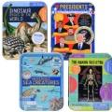 | 60592ASST | Bendon Magnetic Tins Asstd. | 23 |  | China | 247,150 | 9781690269519; (4) Presidents 9781690269526; (4) The Skeleton 9781690269533; (7) Sea Creatures 9781690269540; (8) Dinosaur speci es of the world | 50978169026955 | 16" x 7" x 6" | 10 | 0.442 | 14 | 16 | 5" x .75" x 6.75" | 6.5
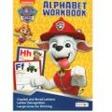 | 60897 | Bendon Paw Patrol 24 Page Alphabet Workbook | 40 |  | China | 40,117 | 9781690269571 | 50978169026955 | 11" x 8" x 4" | 7 | 0.2 | 37 | 12 | 7.75" x .25" x 10.7" | 3
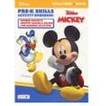 | 60872 | Bendon Disney Jr Mickey 24 Page Pre-K Skills Workbook | 40 |  | China | 21,917 | 9781690269250 | 50978169026924 | 12" x 9" x 4" | 7 | 0.245 | 17 | 24 | 7.75" x .25" x 10.7" | 3
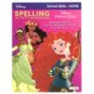 | 60871 | Bendon Disney 24 Page Princess Spelling Workbook | 40 |  | China | 47,996 | 9781690269243 | 50978169026924 | 12" x 8" x 4" | 6 | 0.22 | 17 | 24 | 7.5" x .25" x 10.5" | 3
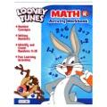 | 60852 | Bendon Looney Tunes 24 Page Math Workbook | 40 |  | China | 35,437 | 9781690269007 | 50978169026900 | 11" x 8" x 4" | 7 | 0.2 | 38 | 12 | 7.5" x .25" x 10.5" | 3
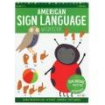 | 60881 | Bendon American Sign Language 24 Page WB | 40 |  | China | 136,112 | 9781690269373 | 50978169026931 | 11" x 9" x 4" | 7 | 0.23 | 17 | 24 | 7.5" x .25" x 10.5" | 3
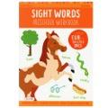 | 54495 | Bendon Sight Words 24 Page Workbook | 40 |  | China | 136,076 | 9781690269113 | 50978169026917 | 11" x 8" x 4" | 7 | 0.2 | 37 | 12 | 7.5" x .25" x 10.5" | 3
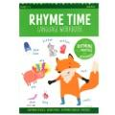 | 60859 | Bendon Rhyme Time 24 Page Workbook | 40 |  | China | 132,316 | 9781690269106 | 50978169026917 | 11" x 8" x 4" | 7 | 0.2 | 38 | 12 | 7.75" x .25" x 10.7" | 2.5
 |  |  |  |  |  | 2,978,488

